WP & CS
Item Description | Case Pack | Units Available | Image
Sprout Out Shampoo 1.25 Oz. | 200 | 8,400 | 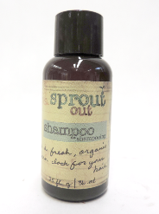
Sprout Out Shower Gel 1.25 Oz. | 200 | 36,200 | 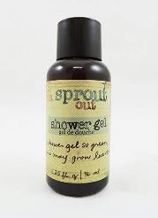
Sprout Out Conditioner 1.25 Oz. | 200 | 16,000 | 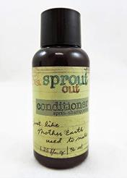
Sprout Out Cleansing Bar 0.6 Oz. | 500 | 36,000 | 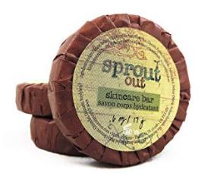
Sprout Out Cleansing Bar 1 Oz. | 200 | 51,000 | 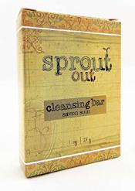
Sprout Out Conditioner 1 Gallon | 1 | 30 | 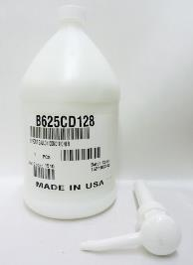
Sprout Out Shower Gel 1 Gallon | 1 | 27 | 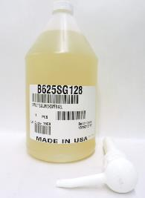
 |  | 147657

